COVER PAGE
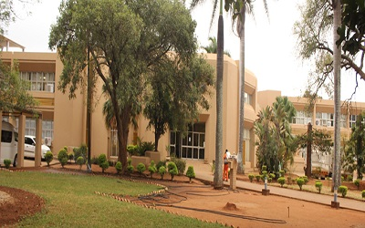
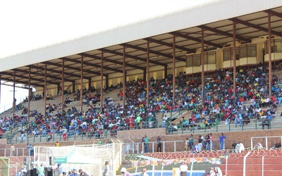
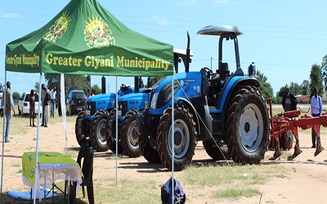
SERVICE DELIVERY AND BUDGET IMPLEMENTATION PLAN 2018/19

VIS MISS STRA MAP
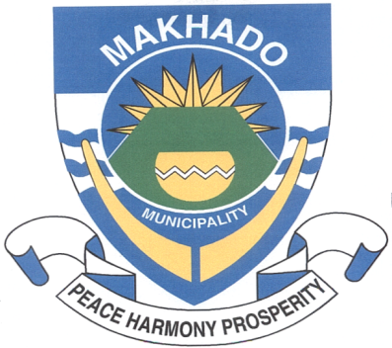
VISION, MISSION AND STRATEGIC MAP
VISION, MISSION AND STRATEGIC MAP The Vision of Greater Giyani Municipality is: A Municipality where environmental sustainbility, tourism and agriculture thrive for economic growth. The Mission of Greater Giyani Municipality is: Ademocratic accountable municipality that ensure the provision of services through sound environment management practices, local economic development and community participation. Greater Giyani Muncipality has identified 6 Strategic Objectives which are contained in the Intergrated Development Plan. All municipal programmes will be aligned to the objectives outlined in the figure below:

To develop sustainable infrastructure networks which promotes economic growth and improve quality of life

To develop and retain the best human capital, effective and efficient administrative and operational support systems

To create an enabling environment for sustainable economic growth

Strategic Objectives

To develop governance structures and systems that will ensure effective public consultation and organizational discipline

To improve financial management systems to enhance vanue base

To develop an effective spatial framework that promotes integrated and sustainable development

